גיליון1
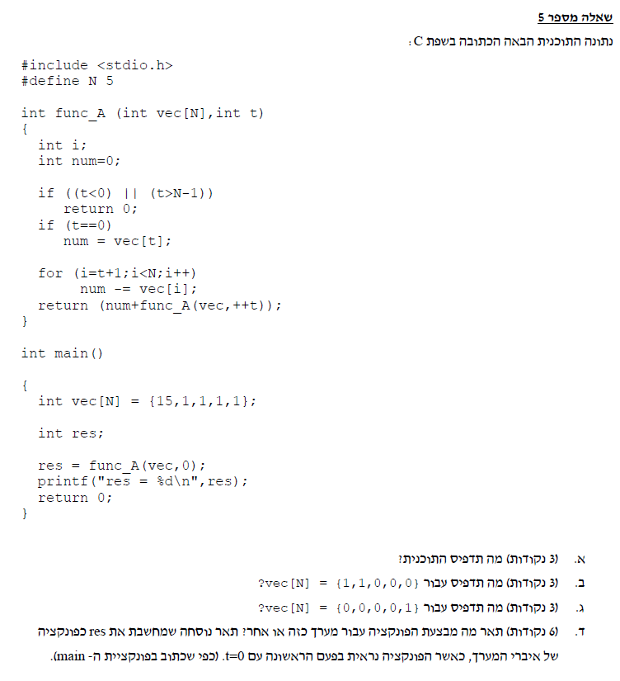
main | func_A(vec = {15,1,1,1,1}, t = 0)
vec[N]={15,1,1,1,1}; | command | i | num | t | condition | calculation
res = func_A(vec,0); |  |  | 0 | 0
printf("%d", res); | t<0 || t>4 |  |  |  | F
 | t==0 |  |  |  | T
פלט
5
 | num = vec[t] |  | 15
 | i=t+1 | 1
 | i<5 |  |  |  | T
 | num -= vec[i] |  | 14 |  |  | num = 15-1
 | i++ | 2
 | i<5 |  |  |  | T
 | num -= vec[i] |  | 13 |  |  | num = 14-1
11 -6
 | i++ | 3
 | i<5 |  |  |  | T
 | num -= vec[i] |  | 12 |  |  | num = 13-1
 | i++ | 4
 | i<5 |  |  |  | T
 | num -= vec[i] |  | 11 |  |  | num = 12-1
 | i++ | 5
 | i<5 |  |  |  | F
 | return 11 + func_A(vec,1);

-3 -3
 | func_A(vec = {15,1,1,1,1}, t = 1)
 | command | i | num | t | condition | calculation
 |  |  | 0 | 1
 | t<0 || t>4 |  |  |  | F
 | t==0 |  |  |  | F
 | i=t+1 | 2
 | i<5 |  |  |  | T
 | num -= vec[i] |  | -1 |  |  | num = 0 -1
 | i++ | 3
 | i<5 |  |  |  | T
 | num -= vec[i] |  | -2 |  |  | num = -1-1
 | i++ | 4
 | i<5 |  |  |  | T
 | num -= vec[i] |  | -3 |  |  | num = -2-1
 | i++ | 5
 | i<5 |  |  |  | F
 | return -3 + func_A(vec,2);

-2 - 1
 | func_A(vec = {15,1,1,1,1}, t = 2)
 | command | i | num | t | condition | calculation
 |  |  | 0 | 2
 | t<0 || t>4 |  |  |  | F
 | t==0 |  |  |  | F
 | i=t+1 | 3
 | i<5 |  |  |  | T
 | num -= vec[i] |  | -1 |  |  | num = 0 -1
 | i++ | 4
 | i<5 |  |  |  | T
 | num -= vec[i] |  | -2 |  |  | num = -1-1
 | i++ | 5
 | i<5 |  |  |  | F
 | return -2 + func_A(vec,3);

-1 + 0
 | func_A(vec = {15,1,1,1,1}, t = 3)
 | command | i | num | t | condition | calculation
 |  |  | 0 | 3
 | t<0 || t>4 |  |  |  | F
 | t==0 |  |  |  | F
 | i=t+1 | 4
 | i<5 |  |  |  | T
 | num -= vec[i] |  | -1 |  |  | num = 0 -1
 | i++ | 5
 | i<5 |  |  |  | F
 | return -1 + func_A(vec,4);

0 + 0
 | func_A(vec = {15,1,1,1,1}, t = 4)
 | command | i | num | t | condition | calculation
 |  |  | 0 | 4
 | t<0 || t>4 |  |  |  | F
 | t==0 |  |  |  | F
 | i=t+1 | 5
 | i<5 |  |  |  | F
 | return 0 + func_A(vec,5);

0
 | func_A(vec = {15,1,1,1,1}, t = 5)
 | command | i | num | t | condition | calculation
 |  |  | 0 | 5
 | t<0 || t>4 |  |  |  | T
 | return 0;

